Data Input

 | Tamarack Solar | Mount Sizing Calculator

 |  | Instructions:
 |  | You can use either portrait or landscape dimensions based on the illustrations below to find what works best for the number of solar modules you will be using. Keep in mind that the dimensions change when going from portrait to landscape. When all four of the dimensional fields are completed, click the second tab "compatible mounts" at the bottom of the sheet to see the results.

 |  | Suggestions:
 |  | -The top of pole mounts (TP) will handle more modules than the side of pole mounts. Most of the larger 60 & 72 cell modules work best in portrait orientation
 |  | - If the center to edge measurement is not on the spec sheet, subtract center to center from length and divide by 2
 |  | -Some 60 & 72 cell modules have two mounting holes, typcally the holes set closer together work best
 |  | -Type in the MODULE NAME and keep a copy of the compatible mounts for future use

 |  |  | Driving Cell Color (Fill this data in and the rest of the spreadsheet will populate)
 |  |  | Note: All calculations assume 3/4” in between panels.
ENTER USING EITHER MM Or INCHES | Width | Length | Center to Center | Center to Edge
IF YOU HAVE CENTER TO CENTER MEASUREMENT
MILLIMETER w/C2C | 1001.00 | 1675.00 | 1100.00 | 287.50
INCHES (equation based on MM) | 39.41 | 65.94 | 43.31 | 11.32

IF YOU HAVE CENTER TO EDGE MEASUREMENT
MillIMETER w/C2E | 1001.00 | 1675.00 | 1100.00 | 287.50
INCHES (equation based on MM) | 39.41 | 65.94 | 43.31 | 11.32
Panel Name\model |  |  |  |  | Original Module Sq Foot
MODULE NAME | Panel surfaceSq Ft: | 18.0476 |  |  | 6.9454166667
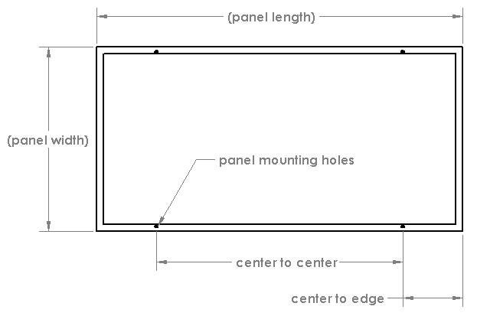
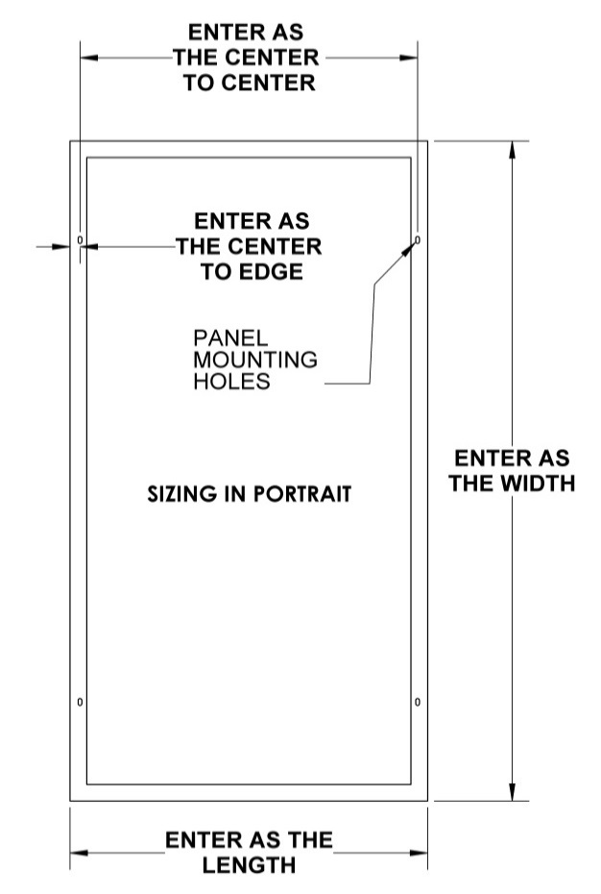

SIZING IN LANDSCAPE

